Sheet1
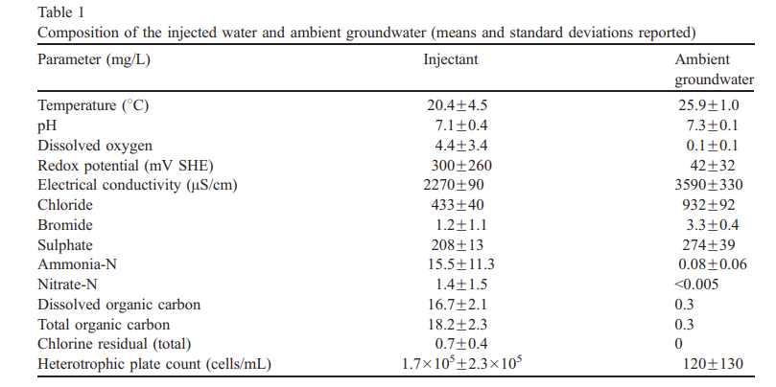
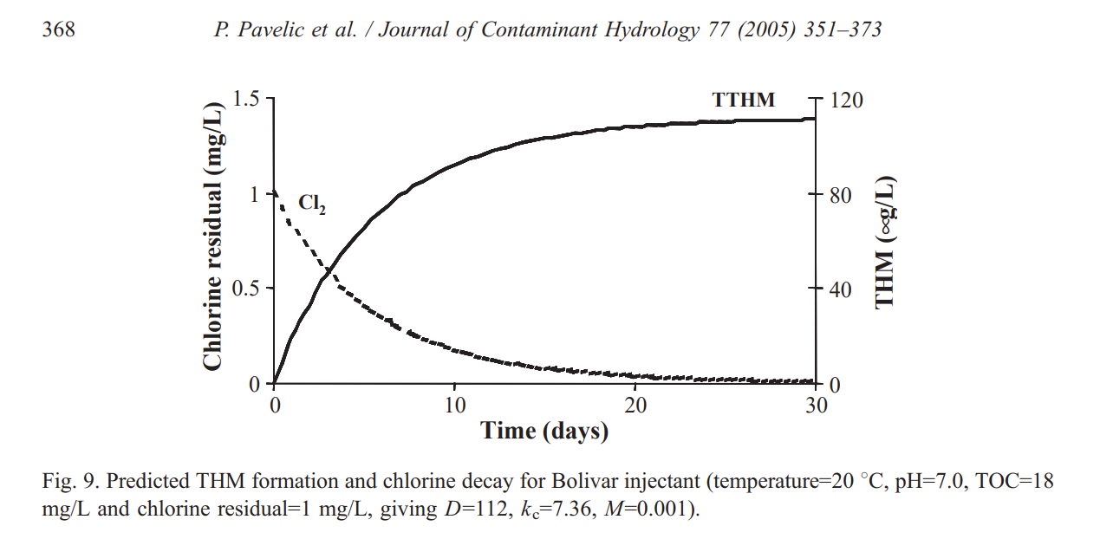
Source Water Parameters |  |  |  |  |  |  | Empircal Constants |  |  |  |  |  |  |  |  |  |  |  | Chlorine Decay |  |  | TTHM Estimation
Temperature (Celsius) | pH (stu,-) | Residual, Free Chlorine (mg/L) | Total Organic Carbon (mg/L) | Initial TTHM (mg/L) | Bromide (mg/L) |  | K | R | M | u | D | t1/2 (hours) | t1/2 (hours) | k1, 1st order (hours) | k2, 1st order (hours) | Time (Days) | Time (Hours) | Time (Minutes) | Russian River Aquaduct (mg/L) | North Marin Water District (mg/L) | Bolivar Injectant (mg/L) | Bolivar Injectant (ug/L) | Formation Rate | Degradation Rate | Degradation Rate | Bolivar Injectant w/1st order 12 day half life (ug/L) | Bolivar Injectant w/1st order 49 day half life (ug/L)
25 | 8 | 1 | 1 | 30 | 0.5 | RRA | 0.065 | 0.933 |  | 0.0009 |  |  |  |  |  | 0 | 0 | 0 | 1.000 | 1.000 | 1.000 | 0 | 0 | 0 | 0.014145860828 | 0 | 0
 |  |  |  |  |  | NMWD | -0.33 | 1.67 |  | -0.42 |  |  |  |  |  | 1 | 24 | 1440 | 0.771 | 0.000 | 0.833 | 18.713490877 | 18.713490877 | 0.057762265047 | 0.014145860828 | 17.663183339 | 18.450635977 | EPA MCL
 |  |  |  |  |  |  |  |  |  |  |  |  |  |  |  | 2 | 48 | 2880 | 0.629 | 0.000 | 0.696 | 33.999909205 | 15.286418328 | 0.057762265047 | 0.014145860828 | 31.100282627 | 33.263174253 | 80
20 | 7 | 1 | 18 | 0 |  | Bolivar | 7.36 |  | 0.001 | -0.007 | 111.85 | 288 | 1176 | 0.00241 | 0.00059 | 3 | 72 | 4320 | 0.534 | 0.000 | 0.584 | 46.573759513 | 12.573850309 | 0.057762265047 | 0.014145860828 | 41.222892206 | 45.19318496 | 80
 |  |  |  |  |  |  |  |  |  |  |  |  |  |  |  | 4 | 96 | 5760 | 0.465 | 0.000 | 0.491 | 56.975511873 | 10.40175236 | 0.057762265047 | 0.014145860828 | 48.727175907 | 54.814035361 | 80
 |  |  |  |  |  |  |  |  |  |  |  |  |  |  |  | 5 | 120 | 7200 | 0.412 | 0.000 | 0.413 | 65.621044157 | 8.6455322842 | 0.057762265047 | 0.014145860828 | 54.152625511 | 62.5681969 | 80
 |  |  |  |  |  |  |  |  |  |  |  |  |  |  |  | 6 | 144 | 8640 | 0.371 | 0.000 | 0.349 | 72.835069687 | 7.2140255298 | 0.057762265047 | 0.014145860828 | 57.922405573 | 68.802041917 | 80
 |  |  |  |  |  |  |  |  |  |  |  |  |  |  |  | 7 | 168 | 10080 | 0.339 | 0.000 | 0.295 | 78.874309341 | 6.0392396538 | 0.057762265047 | 0.014145860828 | 60.371753926 | 73.790040105 | 80
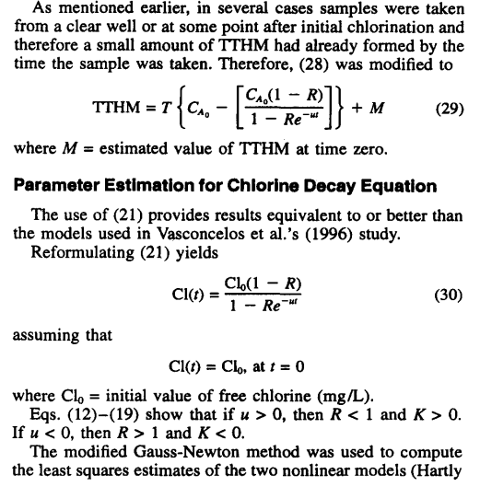
 |  |  |  |  |  |  |  |  |  |  |  |  |  |  |  | 8 | 192 | 11520 | 0.312 | 0.000 | 0.249 | 83.943914828 | 5.0696054871 | 0.057762265047 | 0.014145860828 | 61.768418137 | 77.751961067 | 80
 |  |  |  |  |  |  |  |  |  |  |  |  |  |  |  | 9 | 216 | 12960 | 0.289 | 0.000 | 0.211 | 88.20934196 | 4.265427132 | 0.057762265047 | 0.014145860828 | 62.327650317 | 80.865349143 | 80
 |  |  |  |  |  |  |  |  |  |  |  |  |  |  |  | 10 | 240 | 14400 | 0.270 | 0.000 | 0.179 | 91.805089019 | 3.5957470587 | 0.057762265047 | 0.014145860828 | 62.223401388 | 83.274732143 | 80
 |  |  |  |  |  |  |  |  |  |  |  |  |  |  |  | 11 | 264 | 15840 | 0.253 | 0.000 | 0.152 | 94.84123236 | 3.0361433413 | 0.057762265047 | 0.014145860828 | 61.596807927 | 85.098528911 | 80
 |  |  |  |  |  |  |  |  |  |  |  |  |  |  |  | 12 | 288 | 17280 | 0.239 | 0.000 | 0.129 | 97.408386273 | 2.5671539126 | 0.057762265047 | 0.014145860828 | 60.56271538 | 86.43430625 | 80
 |  |  |  |  |  |  |  |  |  |  |  |  |  |  |  | 13 | 312 | 18720 | 0.227 | 0.000 | 0.110 | 99.581516976 | 2.1731307031 | 0.057762265047 | 0.014145860828 | 59.214753602 | 87.362832238 | 80
 |  |  |  |  |  |  |  |  |  |  |  |  |  |  |  | 14 | 336 | 20160 | 0.216 | 0.000 | 0.093 | 101.42291067 | 1.8413936904 | 0.057762265047 | 0.014145860828 | 57.629329061 | 87.95123855 | 80
 |  |  |  |  |  |  |  |  |  |  |  |  |  |  |  | 15 | 360 | 21600 | 0.206 | 0.000 | 0.079 | 102.98450824 | 1.5615975779 | 0.057762265047 | 0.014145860828 | 55.868795198 | 88.255513924 | 80
 |  |  |  |  |  |  |  |  |  |  |  |  |  |  |  | 16 | 384 | 23040 | 0.197 | 0.000 | 0.067 | 104.30975973 | 1.3252514893 | 0.057762265047 | 0.014145860828 | 53.983991507 | 88.322489057 | 80
 |  |  |  |  |  |  |  |  |  |  |  |  |  |  |  | 17 | 408 | 24480 | 0.189 | 0.000 | 0.057 | 105.43511006 | 1.1253503259 | 0.057762265047 | 0.014145860828 | 52.016292145 | 88.191430142 | 80
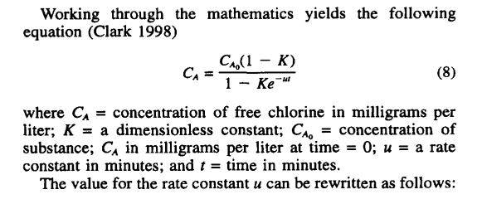
 |  |  |  |  |  |  |  |  |  |  |  |  |  |  |  | 18 | 432 | 25920 | 0.182 | 0.000 | 0.049 | 106.39119874 | 0.95608868495 | 0.057762265047 | 0.014145860828 | 49.999269547 | 87.895327972 | 80
 |  |  |  |  |  |  |  |  |  |  |  |  |  |  |  | 19 | 456 | 27360 | 0.176 | 0.000 | 0.042 | 107.20383532 | 0.8126365772 | 0.057762265047 | 0.014145860828 | 47.960052969 | 87.461947796 | 80
 |  |  |  |  |  |  |  |  |  |  |  |  |  |  |  | 20 | 480 | 28800 | 0.170 | 0.000 | 0.035 | 107.89479727 | 0.69096194495 | 0.057762265047 | 0.014145860828 | 45.920443263 | 86.914689442 | 80
 |  |  |  |  |  |  |  |  |  |  |  |  |  |  |  | 21 | 504 | 30240 | 0.165 | 0.000 | 0.030 | 108.48248628 | 0.58768901129 | 0.057762265047 | 0.014145860828 | 43.897831384 | 86.273295697 | 80
 |  |  |  |  |  |  |  |  |  |  |  |  |  |  |  | 22 | 528 | 31680 | 0.160 | 0.000 | 0.026 | 108.98247062 | 0.4999843473 | 0.057762265047 | 0.014145860828 | 41.905957808 | 85.554438408 | 80
 |  |  |  |  |  |  |  |  |  |  |  |  |  |  |  | 23 | 552 | 33120 | 0.155 | 0.000 | 0.022 | 109.40793521 | 0.42546458892 | 0.057762265047 | 0.014145860828 | 39.95554222 | 84.772205356 | 80
 |  |  |  |  |  |  |  |  |  |  |  |  |  |  |  | 24 | 576 | 34560 | 0.151 | 0.000 | 0.019 | 109.77005643 | 0.36212121714 | 0.057762265047 | 0.014145860828 | 38.054806866 | 83.938506133 | 80
 |  |  |  |  |  |  |  |  |  |  |  |  |  |  |  | 25 | 600 | 36000 | 0.147 | 0.000 | 0.016 | 110.07831533 | 0.3082589 | 0.057762265047 | 0.014145860828 | 36.209912332 | 83.06341153 | 80
 |  |  |  |  |  |  |  |  |  |  |  |  |  |  |  | 26 | 624 | 37440 | 0.143 | 0.000 | 0.013 | 110.34076003 | 0.26244469727 | 0.057762265047 | 0.014145860828 | 34.425320923 | 82.155438065 | 80
 |  |  |  |  |  |  |  |  |  |  |  |  |  |  |  | 27 | 648 | 38880 | 0.140 | 0.000 | 0.011 | 110.56422606 | 0.22346602774 | 0.057762265047 | 0.014145860828 | 32.704099968 | 81.221787083 | 80
 |  |  |  |  |  |  |  |  |  |  |  |  |  |  |  | 28 | 672 | 40320 | 0.137 | 0.000 | 0.010 | 110.75452181 | 0.19029575115 | 0.057762265047 | 0.014145860828 | 31.048175151 | 80.268546066 | 80
 |  |  |  |  |  |  |  |  |  |  |  |  |  |  |  | 29 | 696 | 41760 | 0.134 | 0.000 | 0.008 | 110.91658487 | 0.1620630607 | 0.057762265047 | 0.014145860828 | 29.45854214 | 79.300858411 | 80
 |  |  |  |  |  |  |  |  |  |  |  |  |  |  |  | 30 | 720 | 43200 | 0.131 | 0.000 | 0.007 | 111.05461401 | 0.13802914596 | 0.057762265047 | 0.014145860828 | 27.935443381 | 78.323066838 | 80
 |  |  |  |  |  |  |  |  |  |  |  |  |  |  |  | 31 | 744 | 44640 | 0.128 | 0.000 | 0.006 | 111.17218081 | 0.11756679128 | 0.057762265047 | 0.014145860828 | 26.478515695 | 77.338834663 | 80
 |  |  |  |  |  |  |  |  |  |  |  |  |  |  |  | 32 | 768 | 46080 | 0.126 | 0.000 | 0.005 | 111.27232404 | 0.10014323401 | 0.057762265047 | 0.014145860828 | 25.086913428 | 76.351248466 | 80
 |  |  |  |  |  |  |  |  |  |  |  |  |  |  |  | 33 | 792 | 47520 | 0.123 | 0.000 | 0.004 | 111.35762977 | 0.085305733385 | 0.057762265047 | 0.014145860828 | 23.75941106 | 75.362905091 | 80
 |  |  |  |  |  |  |  |  |  |  |  |  |  |  |  | 34 | 816 | 48960 | 0.121 | 0.000 | 0.004 | 111.43029917 | 0.07266940063 | 0.057762265047 | 0.014145860828 | 22.494488565 | 74.375985422 | 80
 |  |  |  |  |  |  |  |  |  |  |  |  |  |  |  | 35 | 840 | 50400 | 0.119 | 0.000 | 0.003 | 111.49220609 | 0.061906920765 | 0.057762265047 | 0.014145860828 | 21.290402285 | 73.392316994 | 80
 |  |  |  |  |  |  |  |  |  |  |  |  |  |  |  | 36 | 864 | 51840 | 0.117 | 0.000 | 0.003 | 111.54494596 | 0.052739861132 | 0.057762265047 | 0.014145860828 | 20.145243624 | 72.413427151 | 80
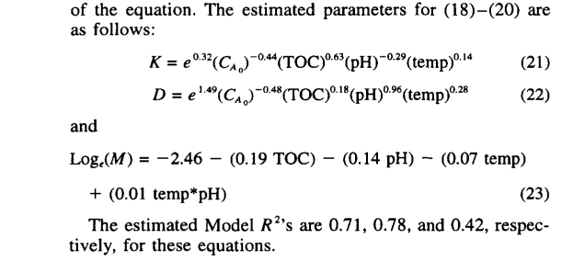
 |  |  |  |  |  |  |  |  |  |  |  |  |  |  |  | 37 | 888 | 53280 | 0.115 | 0.000 | 0.002 | 111.58987727 | 0.04493131359 | 0.057762265047 | 0.014145860828 | 19.056987492 | 71.4405882 | 80
0.062445691942 |  |  |  |  |  |  |  |  |  |  |  |  |  |  |  | 38 | 912 | 54720 | 0.114 | 0.000 | 0.002 | 111.62815693 | 0.038279659916 | 0.057762265047 | 0.014145860828 | 18.023532159 | 70.474855793 | 80
0.053732339578 |  |  |  |  |  |  |  |  |  |  |  |  |  |  |  | 39 | 936 | 56160 | 0.112 | 0.000 | 0.002 | 111.66077021 | 0.032613284684 | 0.057762265047 | 0.014145860828 | 17.04273187 | 69.517101548 | 80
 |  |  |  |  |  |  |  |  |  |  |  |  |  |  |  | 40 | 960 | 57600 | 0.110 | 0.000 | 0.001 | 111.6885563 | 0.027786088538 | 0.057762265047 | 0.014145860828 | 16.112423405 | 68.568040794 | 80
 |  |  |  |  |  |  |  |  |  |  |  |  |  |  |  | 41 | 984 | 59040 | 0.109 | 0.000 | 0.001 | 111.71222998 | 0.02367367844 | 0.057762265047 | 0.014145860828 | 15.230447544 | 67.628256165 | 80
 |  |  |  |  |  |  |  |  |  |  |  |  |  |  |  | 42 | 1008 | 60480 | 0.107 | 0.000 | 0.001 | 111.73240011 | 0.020170131111 | 0.057762265047 | 0.014145860828 | 14.394666276 | 66.698217677 | 80
 |  |  |  |  |  |  |  |  |  |  |  |  |  |  |  | 43 | 1032 | 61920 | 0.106 | 0.000 | 0.001 | 111.74958535 | 0.01718524224 | 0.057762265047 | 0.014145860828 | 13.602976446 | 65.778299806 | 80
 |  |  |  |  |  |  |  |  |  |  |  |  |  |  |  | 44 | 1056 | 63360 | 0.105 | 0.000 | 0.001 | 111.76422754 | 0.014642187681 | 0.057762265047 | 0.014145860828 | 12.853320429 | 64.868796023 | 80
 |  |  |  |  |  |  |  |  |  |  |  |  |  |  |  | 45 | 1080 | 64800 | 0.104 | 0.000 | 0.001 | 111.77670308 | 0.012475534312 | 0.057762265047 | 0.014145860828 | 12.143694322 | 63.969931164 | 80
 |  |  |  |  |  |  |  |  |  |  |  |  |  |  |  | 46 | 1104 | 66240 | 0.102 | 0.000 | 0.001 | 111.78733262 | 0.01062954782 | 0.057762265047 | 0.014145860828 | 11.472154088 | 63.081871953 | 80
 |  |  |  |  |  |  |  |  |  |  |  |  |  |  |  | 47 | 1128 | 67680 | 0.101 | 0.000 | 0.000 | 111.79638938 | 0.0090567527585 | 0.057762265047 | 0.014145860828 | 10.836819991 | 62.204735966 | 80
 |  |  |  |  |  |  |  |  |  |  |  |  |  |  |  | 48 | 1152 | 69120 | 0.100 | 0.000 | 0.000 | 111.80410608 | 0.0077167070278 | 0.057762265047 | 0.014145860828 | 10.235879623 | 61.338599252 | 80
 |  |  |  |  |  |  |  |  |  |  |  |  |  |  |  | 49 | 1176 | 70560 | 0.099 | 0.000 | 0.000 | 111.81068104 | 0.0065749586713 | 0.057762265047 | 0.014145860828 | 9.6675897781 | 60.483502825 | 80
 |  |  |  |  |  |  |  |  |  |  |  |  |  |  |  | 50 | 1200 | 72000 | 0.098 | 0.000 | 0.000 | 111.8162832 | 0.0056021577427 | 0.057762265047 | 0.014145860828 | 9.1302773899 | 59.639458183 | 80
 |  |  |  |  |  |  |  |  |  |  |  |  |  |  |  | 51 | 1224 | 73440 | 0.097 | 0.000 | 0.000 | 111.8210565 | 0.004773300096 | 0.057762265047 | 0.014145860828 | 8.6223396913 | 58.806452011 | 80
 |  |  |  |  |  |  |  |  |  |  |  |  |  |  |  | 52 | 1248 | 74880 | 0.096 | 0.000 | 0.000 | 111.82512358 | 0.0040670834379 | 0.057762265047 | 0.014145860828 | 8.1422437654 | 57.984450179 | 80
 |  |  |  |  |  |  |  |  |  |  |  |  |  |  |  | 53 | 1272 | 76320 | 0.095 | 0.000 | 0.000 | 111.82858894 | 0.003465358928 | 0.057762265047 | 0.014145860828 | 7.688525601 | 57.173401141 | 80
 |  |  |  |  |  |  |  |  |  |  |  |  |  |  |  | 54 | 1296 | 77760 | 0.094 | 0.000 | 0.000 | 111.83154161 | 0.0029526641132 | 0.057762265047 | 0.014145860828 | 7.259788761 | 56.37323883 | 80
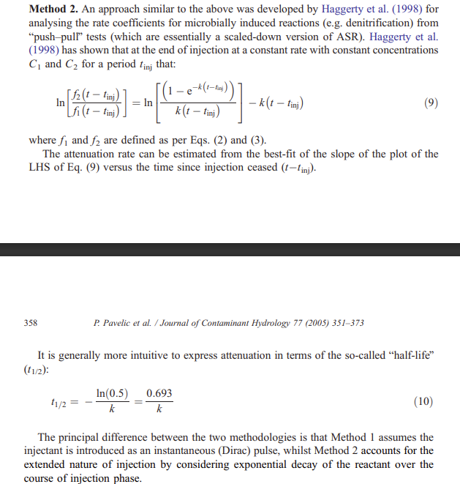
 |  |  |  |  |  |  |  |  |  |  |  |  |  |  |  | 55 | 1320 | 79200 | 0.094 | 0.000 | 0.000 | 111.83405743 | 0.0025158251089 | 0.057762265047 | 0.014145860828 | 6.8547027497 | 55.583885119 | 80
 |  |  |  |  |  |  |  |  |  |  |  |  |  |  |  | 56 | 1344 | 80640 | 0.093 | 0.000 | 0.000 | 111.83620105 | 0.0021436177414 | 0.057762265047 | 0.014145860828 | 6.4720011523 | 54.80525191 | 80
 |  |  |  |  |  |  |  |  |  |  |  |  |  |  |  | 57 | 1368 | 82080 | 0.092 | 0.000 | 0.000 | 111.83802753 | 0.0018264788986 | 0.057762265047 | 0.014145860828 | 6.1104796058 | 54.037242916 | 80
 |  |  |  |  |  |  |  |  |  |  |  |  |  |  |  | 58 | 1392 | 83520 | 0.091 | 0.000 | 0.000 | 111.83958379 | 0.0015562606416 | 0.057762265047 | 0.014145860828 | 5.7689936525 | 53.279755167 | 80
 |  |  |  |  |  |  |  |  |  |  |  |  |  |  |  | 59 | 1416 | 84960 | 0.091 | 0.000 | 0.000 | 111.84090981 | 0.0013260207333 | 0.057762265047 | 0.014145860828 | 5.4464565155 | 52.532680296 | 80
 |  |  |  |  |  |  |  |  |  |  |  |  |  |  |  | 60 | 1440 | 86400 | 0.090 | 0.000 | 0.000 | 111.84203965 | 0.0011298441869 | 0.057762265047 | 0.014145860828 | 5.1418368311 | 51.795905625 | 80
 |  |  |  |  |  |  |  |  |  |  |  |  |  |  |  | 61 | 1464 | 87840 | 0.089 | 0.000 | 0.000 | 111.84300234 | 0.00096269123604 | 0.057762265047 | 0.014145860828 | 4.8541563644 | 51.069315091 | 80
 |  |  |  |  |  |  |  |  |  |  |  |  |  |  |  | 62 | 1488 | 89280 | 0.089 | 0.000 | 0.000 | 111.84382261 | 0.00082026781213 | 0.057762265047 | 0.014145860828 | 4.5824877318 | 50.352790028 | 80
 |  |  |  |  |  |  |  |  |  |  |  |  |  |  |  | 63 | 1512 | 90720 | 0.088 | 0.000 | 0.000 | 111.84452153 | 0.00069891519517 | 0.057762265047 | 0.014145860828 | 4.3259521463 | 49.646209826 | 80
 |  |  |  |  |  |  |  |  |  |  |  |  |  |  |  | 64 | 1536 | 92160 | 0.087 | 0.000 | 0.000 | 111.84511704 | 0.00059551599753 | 0.057762265047 | 0.014145860828 | 4.083717201 | 48.9494525 | 80
 |  |  |  |  |  |  |  |  |  |  |  |  |  |  |  | 65 | 1560 | 93600 | 0.087 | 0.000 | 0.000 | 111.84562446 | 0.00050741406287 | 0.057762265047 | 0.014145860828 | 3.8549947014 | 48.262395157 | 80
 |  |  |  |  |  |  |  |  |  |  |  |  |  |  |  | 66 | 1584 | 95040 | 0.086 | 0.000 | 0.000 | 111.8460568 | 0.00043234621964 | 0.057762265047 | 0.014145860828 | 3.6390385547 | 47.584914398 | 80
 |  |  |  |  |  |  |  |  |  |  |  |  |  |  |  | 67 | 1608 | 96480 | 0.086 | 0.000 | 0.000 | 111.84642519 | 0.00036838413405 | 0.057762265047 | 0.014145860828 | 3.4351427229 | 46.91688666 | 80
 |  |  |  |  |  |  |  |  |  |  |  |  |  |  |  | 68 | 1632 | 97920 | 0.085 | 0.000 | 0.000 | 111.84673907 | 0.00031388476795 | 0.057762265047 | 0.014145860828 | 3.2426392444 | 46.258188491 | 80
 |  |  |  |  |  |  |  |  |  |  |  |  |  |  |  | 69 | 1656 | 99360 | 0.085 | 0.000 | 0.000 | 111.84700652 | 0.00026744816738 | 0.057762265047 | 0.014145860828 | 3.0608963255 | 45.608696796 | 80
 |  |  |  |  |  |  |  |  |  |  |  |  |  |  |  | 70 | 1680 | 100800 | 0.084 | 0.000 | 0.000 | 111.8472344 | 0.0002278814972 | 0.057762265047 | 0.014145860828 | 2.8893165069 | 44.96828903 | 80
 |  |  |  |  |  |  |  |  |  |  |  |  |  |  |  | 71 | 1704 | 102240 | 0.084 | #NUM! | 0.000 | 111.84742857 | 0.00019416839767 | 0.057762265047 | 0.014145860828 | 2.7273349026 | 44.336843371 | 80
 |  |  |  |  |  |  |  |  |  |  |  |  |  |  |  | 72 | 1728 | 103680 | 0.083 | #NUM! | 0.000 | 111.84759401 | 0.00016544287459 | 0.057762265047 | 0.014145860828 | 2.574417514 | 43.714238851 | 80
 |  |  |  |  |  |  |  |  |  |  |  |  |  |  |  | 73 | 1752 | 105120 | 0.083 | #NUM! | 0.000 | 111.84773498 | 0.00014096705299 | 0.057762265047 | 0.014145860828 | 2.4300596167 | 43.100355476 | 80
 |  |  |  |  |  |  |  |  |  |  |  |  |  |  |  | 74 | 1776 | 106560 | 0.083 | #NUM! | 0.000 | 111.84785509 | 0.00012011222206 | 0.057762265047 | 0.014145860828 | 2.2937842214 | 42.495074315 | 80
 |  |  |  |  |  |  |  |  |  |  |  |  |  |  |  | 75 | 1800 | 108000 | 0.082 | #NUM! | 0.000 | 111.84795744 | 0.00010234268481 | 0.057762265047 | 0.014145860828 | 2.165140604 | 41.898277582 | 80
 |  |  |  |  |  |  |  |  |  |  |  |  |  |  |  | 76 | 1824 | 109440 | 0.082 | #NUM! | 0.000 | 111.84804464 | 8.7201996919E-05 | 0.057762265047 | 0.014145860828 | 2.0437029072 | 41.309848694 | 80
 |  |  |  |  |  |  |  |  |  |  |  |  |  |  |  | 77 | 1848 | 110880 | 0.081 | #NUM! | 0.000 | 111.84811894 | 7.4301241781E-05 | 0.057762265047 | 0.014145860828 | 1.9290688079 | 40.729672322 | 80
 |  |  |  |  |  |  |  |  |  |  |  |  |  |  |  | 78 | 1872 | 112320 | 0.081 | #NUM! | 0.000 | 111.84818225 | 6.330904003E-05 | 0.057762265047 | 0.014145860828 | 1.8208582509 | 40.157634432 | 80
 |  |  |  |  |  |  |  |  |  |  |  |  |  |  |  | 79 | 1896 | 113760 | 0.081 | #NUM! | 0.000 | 111.84823619 | 5.39430374E-05 | 0.057762265047 | 0.014145860828 | 1.7187122455 | 39.59362231 | 80
 |  |  |  |  |  |  |  |  |  |  |  |  |  |  |  | 80 | 1920 | 115200 | 0.080 | #NUM! | 0.000 | 111.84828215 | 4.5962651697E-05 | 0.057762265047 | 0.014145860828 | 1.6222917224 | 39.037524591 | 80
 |  |  |  |  |  |  |  |  |  |  |  |  |  |  |  | 81 | 1944 | 116640 | 0.080 | #NUM! | 0.000 | 111.84832132 | 3.9162892847E-05 | 0.057762265047 | 0.014145860828 | 1.5312764493 | 38.489231271 | 80
 |  |  |  |  |  |  |  |  |  |  |  |  |  |  |  | 82 | 1968 | 118080 | 0.080 | #NUM! | 0.000 | 111.84835469 | 3.336909748E-05 | 0.057762265047 | 0.014145860828 | 1.4453640024 | 37.948633719 | 80
 |  |  |  |  |  |  |  |  |  |  |  |  |  |  |  | 83 | 1992 | 119520 | 0.079 | #NUM! | 0.000 | 111.84838312 | 2.8432442065E-05 | 0.057762265047 | 0.014145860828 | 1.364268791 | 37.415624684 | 80
 |  |  |  |  |  |  |  |  |  |  |  |  |  |  |  | 84 | 2016 | 120960 | 0.079 | #NUM! | 0.000 | 111.84840734 | 2.4226120388E-05 | 0.057762265047 | 0.014145860828 | 1.2877211338 | 36.890098294 | 80
 |  |  |  |  |  |  |  |  |  |  |  |  |  |  |  | 85 | 2040 | 122400 | 0.079 | #NUM! | 0.000 | 111.84842799 | 2.0642086042E-05 | 0.057762265047 | 0.014145860828 | 1.2154663836 | 36.371950061 | 80
 |  |  |  |  |  |  |  |  |  |  |  |  |  |  |  | 86 | 2064 | 123840 | 0.078 | #NUM! | 0.000 | 111.84844557 | 1.758827716E-05 | 0.057762265047 | 0.014145860828 | 1.1472640985 | 35.861076871 | 80
 |  |  |  |  |  |  |  |  |  |  |  |  |  |  |  | 87 | 2088 | 125280 | 0.078 | #NUM! | 0.000 | 111.84846056 | 1.4986251657E-05 | 0.057762265047 | 0.014145860828 | 1.0828872576 | 35.357376983 | 80
 |  |  |  |  |  |  |  |  |  |  |  |  |  |  |  | 88 | 2112 | 126720 | 0.078 | #NUM! | 0.000 | 111.84847333 | 1.276917223E-05 | 0.057762265047 | 0.014145860828 | 1.0221215185 | 34.860750017 | 80
 |  |  |  |  |  |  |  |  |  |  |  |  |  |  |  | 89 | 2136 | 128160 | 0.078 | #NUM! | 0.000 | 111.84848421 | 1.0880089562E-05 | 0.057762265047 | 0.014145860828 | 0.96476451517 | 34.37109695 | 80
 |  |  |  |  |  |  |  |  |  |  |  |  |  |  |  | 90 | 2160 | 129600 | 0.077 | #NUM! | 0.000 | 111.84849348 | 9.2704794952E-06 | 0.057762265047 | 0.014145860828 | 0.91062519383 | 33.888320098 | 80

